US10 Sprint 3
 | Test Scenarios for SimpCity
 | Test Cases Creation |  |  | System Testing (TDA) |  |  | User Acceptance Testing |  | Team
 | User Stories: | US10 - As a user, I would like to be able to see a notification to notify me of invalid moves so that I do not select an invalid area to place my building. |  | Version Control: | V1 |  | Version Control: | V1 | Scrum Master: | Megan Png
 | Created By: | Hui Ying |  | Tester: | Hui Ying |  | User: | Mr Low | Tech Lead: | Claris
 | Status: | Done |  | Status: | Done |  | Status: | Done | QA: | Hui Ying
 | Dated as of: | 11-Jan-22 |  | Test Date: | 3-Feb-22 |  | UAT Date: | 10-Feb-22 | Developer: | Amanda Chan
 | Reviwed By: |  |  | Reviwed By: |  |  | Reviwed By:
 | Tech Lead | Claris |  | Scrum Master | Megan |  | Scrum Master: | <Signature>
 |  |  |  | Tech Lead | Claris |  | Tech Lead: | <Signature>
 |  |  |  |  |  |  | QA: | Hui Ying
 |  |  |  |  |  |  | Developer: | <Signature>
 | condition to test place a building a the grid | steps
S/NO | Test Scenario | Test Scenario Description | Test Values | Expected Outcome | Boundary? Equivalence? | Functional? Non-Functional? | Pass/ Fail | Actual Outcome | Test Result (Pass / Fail) | Remarks
1 | The users has built as least one building in the 4x4 grid. The users should select either option "1" or "2" to build a budiling and verify the building type when the message "Your Choice?" is prompted. The user enters the location of the next building to be built orthogonally adjacent to the exisiting building and confirms the location entered. If the location of the building is diagonally built to the existing building, an error message will be printed to notify the user an invalid move was made. | 1. The message "Build Where?" is prompted 2. The user enters a location e.g [B2] that is not orthogonally adjacent to the existing building which is at e.g[C3] 3. A message should be prompted to the users to verfiy the location that the user have entered. 4. The location of the building is being verified by the user 5. An error message shall be printed to notify the user an invalid move was made. 6. The message "Build Where? is prompted | Before: The user is currently in a game and has build at least one building in the 4x4 grid and the next action made by the user is to build another building. The user have also verified the building type selected.
 |  |  | 1. The message "Build where?" is prompted to the user e.g. [1] 2. The user enters a location that is within the 4x4 grid and is not orthogonally adjacent to the existing building. Existing Building Location: [B2] New Building Location: [C3] After: Error message shall be printed to notify the user an invalid move was made and the message "Build Where?" is prompted again. | Error message "You are not able to place your building here, please try again!" shall be printed to notify the user an invalid move was made and the message "Build Where?" is prompted again. | Boundary | Functional | Fail | 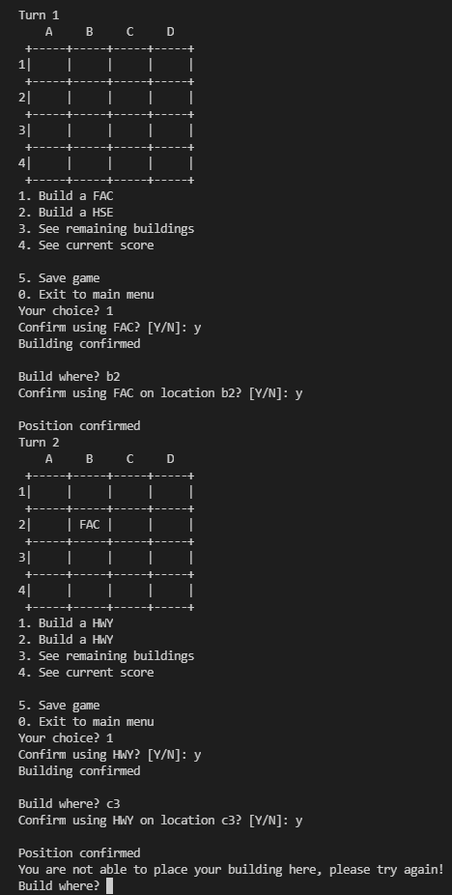 | Pass
2 | The users has built as least one building in the 4x4 grid. The users should select either option "1" or "2" to build a budiling and verify the building type when the message "Your Choice?" is prompted. The user enters the location of the next building to be built orthogonally adjacent to the exisiting building and confirms the location entered. If the location of the building is diagonally built to the existing building, an error message will be printed to notify the user an invalid move was made. | 7. The user enters a location e.g [B2] that is not orthogonally adjacent to the existing building which is at e.g[C2] 8. A message should be prompted to the users to verfiy the location that the user have entered. 9. The location of the building is being verified by the user 10. The user see the building name appear in the grid location the user have verified. | Before: The user is currently in a game and has build at least one building in the 4x4 grid and the next action made by the user is to build another building. The user have also verified the building type selected. 1. The message "Build where?" is prompted to the user e.g. [1] 2. The user enters a location that is within the 4x4 grid and is not orthogonally adjacent to the existing building. Existing Building Location: [B2] New Building Location: [C2] After: The user see the building name appear in the grid location the user have verified. | The user see the building name appear in the grid location the user have verified. |  | Functional | Pass | 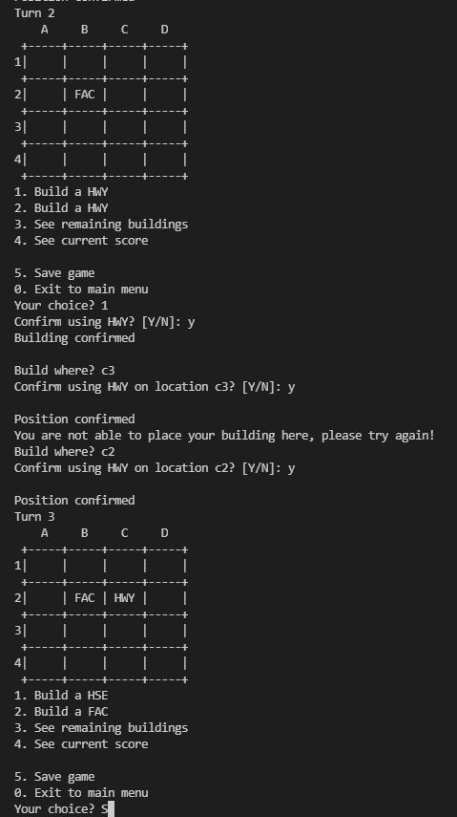 | Pass
3 | The users has built as least one building in the 4x4 grid. The users should select either option "1" or "2" to build a budiling and verify the building type when the message "Your Choice?" is prompted. The user enters a location that is not in a grid. The location of the building is diagonally built to the existing building, an error message will be printed to notify the user an invalid move was made. | 11. The user enters a location e.g [B2] that is not orthogonally adjacent to the existing building which is at e.g[C9] 12. A message should be prompted to the users to verfiy the location that the user have entered. 13. The location of the building is being verified by the user 14. The user see the building name appear in the grid location the user have verified. 15. An error message shall be printed to notify the user an invalid move was made. 16. The message "Build Where? is prompted | Before: The user is currently in a game and has build at least one building in the 4x4 grid and the next action made by the user is to build another building. The user have also verified the building type selected. 1. The message "Build where?" is prompted to the user e.g. [1] 2. The user enters a location that is within the 4x4 grid and is not orthogonally adjacent to the existing building. Existing Building Location: [B2] New Building Location: [C9] After: Error message shall be printed to notify the user an invalid move was made and the message "Build Where?" is prompted again. | Error message "You are not able to place your building here, please try again!" shall be printed to notify the user an invalid move was made and the message "Build Where?" is prompted again. |  | Functional | Pass | 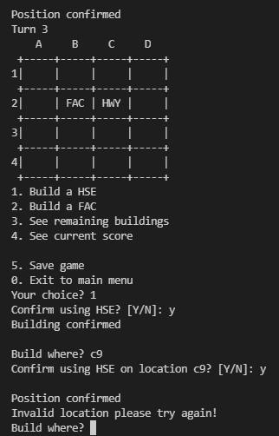 | Pass
4 | The users has built as least one building in the 4x4 grid. The users should select either option "1" or "2" to build a budiling and verify the building type when the message "Your Choice?" is prompted. The user enters a wrong value like e.g [aa4]. The location of the building is diagonally built to the existing building, an error message will be printed to notify the user an invalid move was made. | 1. The message "Build Where?" is prompted 2. The user enters a location e.g [B2] that is of the wrong value e.g[cc1] 3. A message should be prompted to the users to verfiy the location that the user have entered. 4. The location of the building is being verified by the user 5. An error message shall be printed to notify the user an invalid move was made. 6. The message "Build Where? is prompted | Before: The user is currently in a game and has build at least one building in the 4x4 grid and the next action made by the user is to build another building. The user have also verified the building type selected. 1. The message "Build where?" is prompted to the user e.g. [1] 2. The user enters a location that is within the 4x4 grid and is not orthogonally adjacent to the existing building. Existing Building Location: [B2] New Building Location: [C9] After: Error message shall be printed to notify the user an invalid move was made and the message "Build Where?" is prompted again. | After: Error message shall be printed to notify the user an invalid move was made and the message "Build Where?" is prompted again. | Equivalence | Functional | Fail | 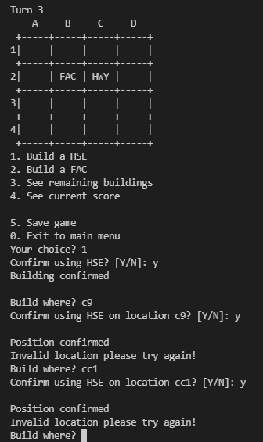 | Pass

